240mL
Mist Master Mix Set INTL FILL AND ASSEMBLY SPECIFICATION

Specification #:
Specification Status: |  |  | Development
Brand: |  |  | Sol De Janeiro
Description: |  |  | Mist Master Mix Set INTL
Project #: |  |  | SJ08231207
Assem./Filling Location:

 | Finish Good Item #: |  | Flavor / Shade
 | SJ08231207 |  | Mist Master Mix Set INTL

 | Revision# | Date |  | Issued by |  | Reason of Change
 | FIRST ISSUE | 2022-04-01 |  | CL
 | 1 | 2022-06-22 |  | CL |  | Remove top pad, add WIP codes, updated FC code

 | Component Item #: | Component Description |  |  |  |  | Flavor / Shade | Usage | UOM
x | SJ06201008 | 30ml Cheirosa 40 Body Mist, WIP |  |  |  |  |  | 1 | EA
x | SJ06201005 | 30ml Cheirosa 68 Body Mist, WIP |  |  |  |  |  | 1 | EA
x | SJ06201004 | 30ml Cheirosa 71 Body Mist, WIP |  |  |  |  |  | 1 | EA
x | SJ06201003 | WIP, Cheirosa 62 30ml - Lilial Update/EU Variant |  |  |  |  |  | 1 | EA
x | D0134001 | FC, Mist Master Mix Set EU |  |  |  |  |  | 1 | EA
x | G0226000 | Liner, Mist Master Mix Set |  |  |  |  |  | 1 | EA
x | E0229000 | UPC Overlabel, Mist Master Mix INTL Only |  |  |  |  |  | 1 | EA
x | J0060000 | Shipper, Mist Master Mix Set |  |  |  |  |  | 0.167 | EA
x | Make and Fill | Make and Fill |  |  |  |  |  | 1
 |  |  | Minimum |  | Target |  | Maximum | UOM
 | Legal Fill (Grams / ML) |  | N/A |  | N/A |  | N/A | ml
 | Initial Removal Torque of Cap |  | N/A |  | N/A |  | N/A | in-lbs

Fill and Assembly Instructions:
1 | Folding Carton will be shipped flat. Molded pulp tray to be shipped separate. *Please note incoming shipper labels and associated codes*
2 | Place WIPs into tray. Ensure the molded pulp tray supports.flaps are upright (and not folded in) - to ensure proper support once placed into the folding carton (oriientation) Please note the below orientation requirements: Front panel deco on all bottles should have front panel deco facing up. Photo to the right shows the orientation of the bottles and the order of the mists to be packed out from left to right. |  |  |  |  |  |  |  |  | 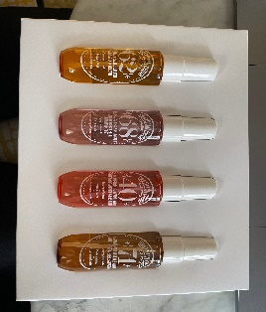
5 | Place UPC sticker on the bottom of the carton completely covering the printed UPC. |  |  |  |  |  |  |  |  | 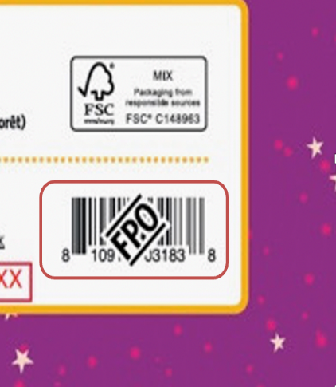
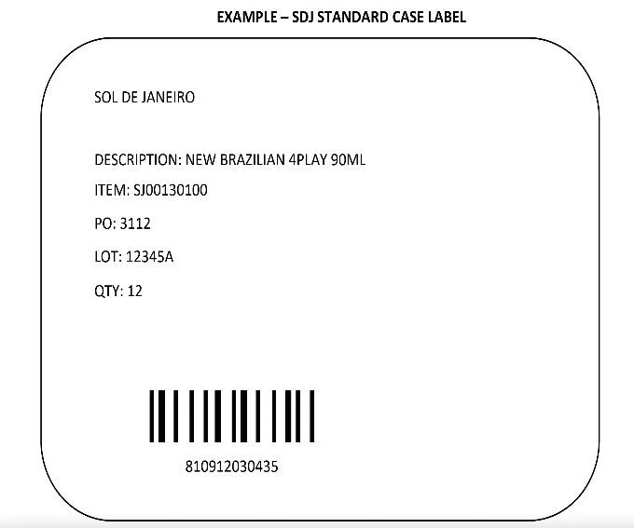
6 | Inkjet fill code on the bottom of the sleeve. In the below format: J (Alphanumeric) = Julian Date B (Letter) = First bulk filled on specific day by alphabetical sequence Example: 20042A J = 11 – Feb – 2020 A = 1st Batch Filled |  |  |  |  |  |  |  |  | 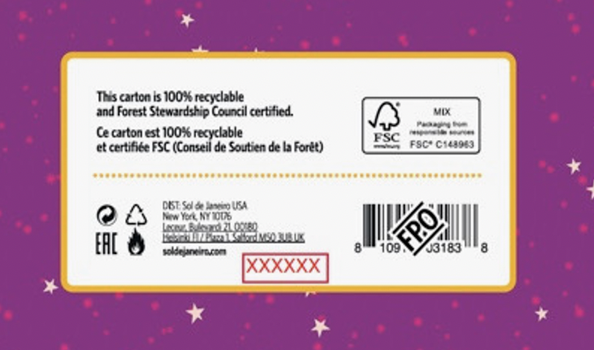 | Photo FPO
7 | Place in shipper x6
9 | Close shipper and secure with tape per the General Specifications. Apply Master Case Label - Example label to right.

General Specification:
1 | It's Filler (or Assembly house's) responsibility to issue all specifications to any third party involved and make sure they are followed.
2 | Fill Code must be clearly legible on primary package.
3 | Fill code must be printed or debossed on the bottom major flap of each folding carton.
4 | All Packer and Shipper must be marked with Full product description, Size, Finish good#, and Quantity per Packer / Shipper.
5 | All major flaps of master shipper be secure with tape.
6 | Pallet Height not to exceed 55" (measured from the floor)

